Sheet1
 | Credit: https://www.rollingstone.com/product-recommendations/electronics/best-gaming-accessories-981557/

S.N | name | description | Price | Photo
1 | HyperX's Cloud Revolver: A gaming Headset | HyperX’s Cloud Revolver is an over-ear headset with ultra plus earcups for comfort and a steel band for durability. It supports true stereo sound or simulated 7.1 surround sound, which can help you hear enemies coming from all directions, and its detachable microphone allows you to communicate with your teammates clearly in real time. | £120 | 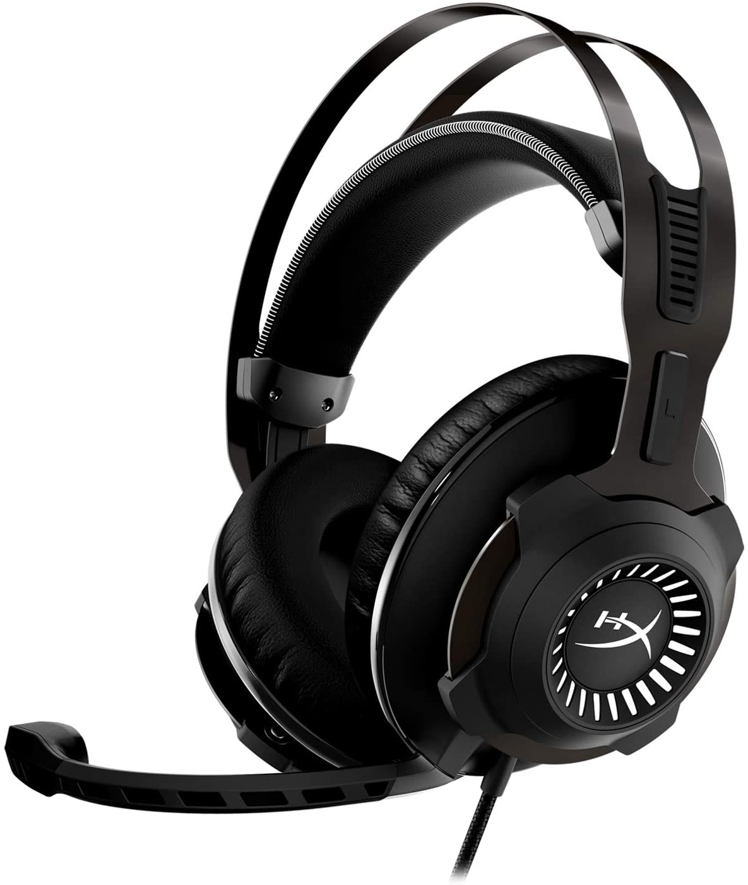
 |  | The Cloud Revolver is a wired headset, which means you must keep it connected to your computer using a cable. This may seem limiting, but it ensures you’ll have zero latency (lag) when speaking to allies or listening for enemies. You can also plug the headset into a PlayStation 4, Xbox One, Xbox Series S/X, mobile devices, or a VR headset.
2 | An Ergonomic Chair | Long gaming sessions lead to serious back pain if you don’t have the right chair. | £200 | 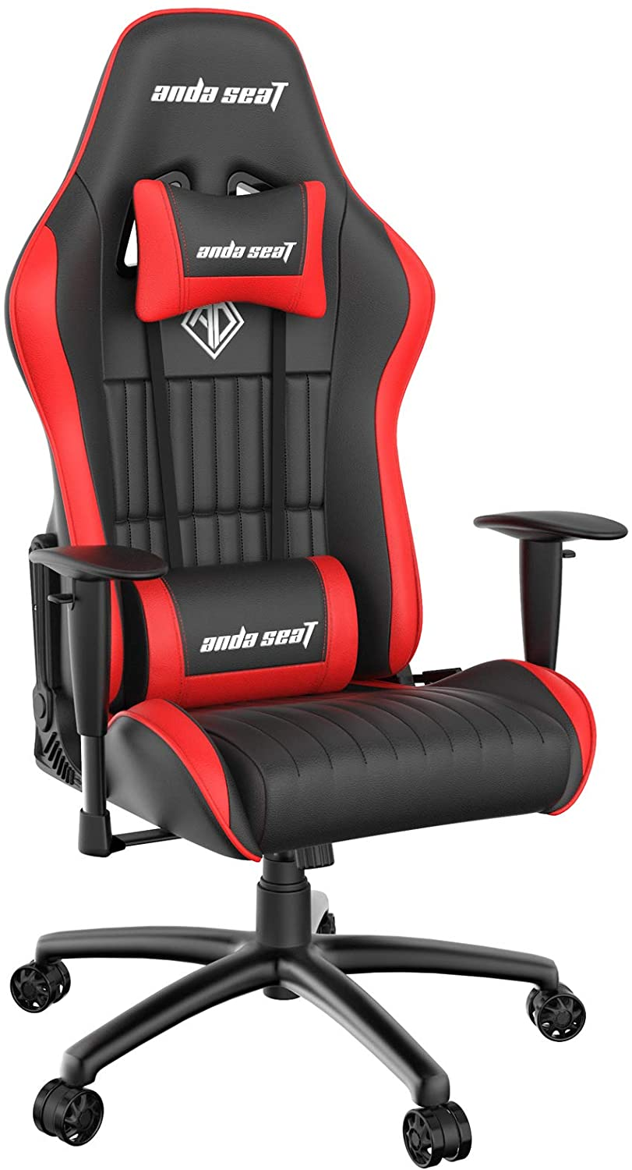
 |  | Andaseat’s Jungle has ergonomic features like a high-back design to cradle your entire body, height-adjustable arm rests, a headset pillow, and a lumbar pillow. We’ve gotten a chance to try the chair out for ourselves, and it’s a definite improvement over using an office chair. The ability to move the lumbar pillow up or down to accommodate the length of your back.
 |  | The chair can be tilted back from 90 to 160 degrees, so you can stretch out, or find a comfortable position. Its roller wheels also allow you to easily adjust your positioning with your desk to find the sweet spot. The wheels roll smoothly, but they’re not too sensitive; you won’t accidentally roll yourself around if you stretch.
 |  | Hunching over for hours each day can lead to serious back problems over time, so upgrading your seat can help improve your game and your health.
3 | A set of Stereo Speakers | The stereo system is made up of two hexagonal speakers tilted upward slightly, so sound is directed toward your face. The speakers have a 2.75-inch driver, and a bass port out the back that can help loud sounds — think explosions in a first person shooter or action game — sound big. | £75 | 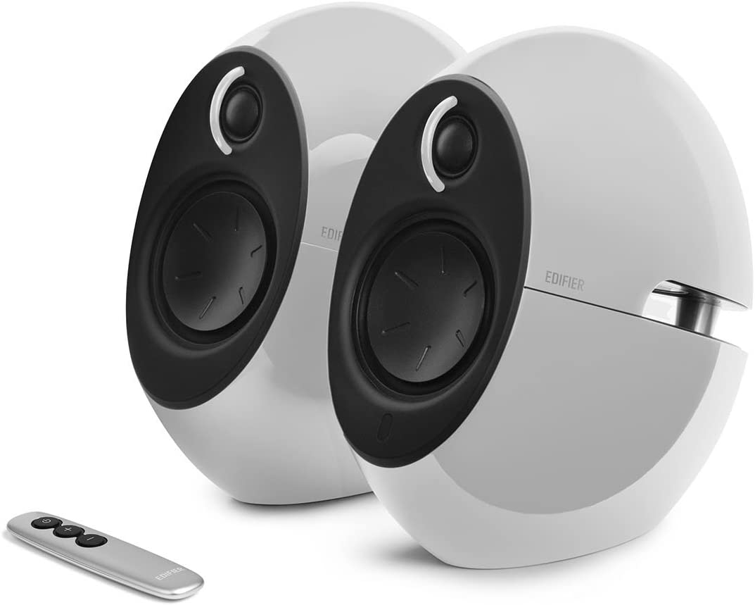
 |  | The speakers can be connected to your computer with a cable, but they also support Bluetooth, so you can wirelessly stream music to them through a phone or tablet if you prefer. Volume controls are available on the right speaker for easy access if you need to make changes in the middle of your game.
 |  | The feature that helps the G2000s stand above its competition is the programmable RGB light strip on the back of each speaker. You can cycle between 12 different colors by pressing a button on the right speaker; find the one that fits the game you’re playing, or other lights in your setup.
 |  | Video games are a visual medium, but the G2000s will help you enjoy the soundtrack and ambient noises that make the world you’re playing in feel more alive.
3 | High Resolution monitor | There’s no better way to appreciate a game’s graphics than on a high-resolution monitor. | £250 | 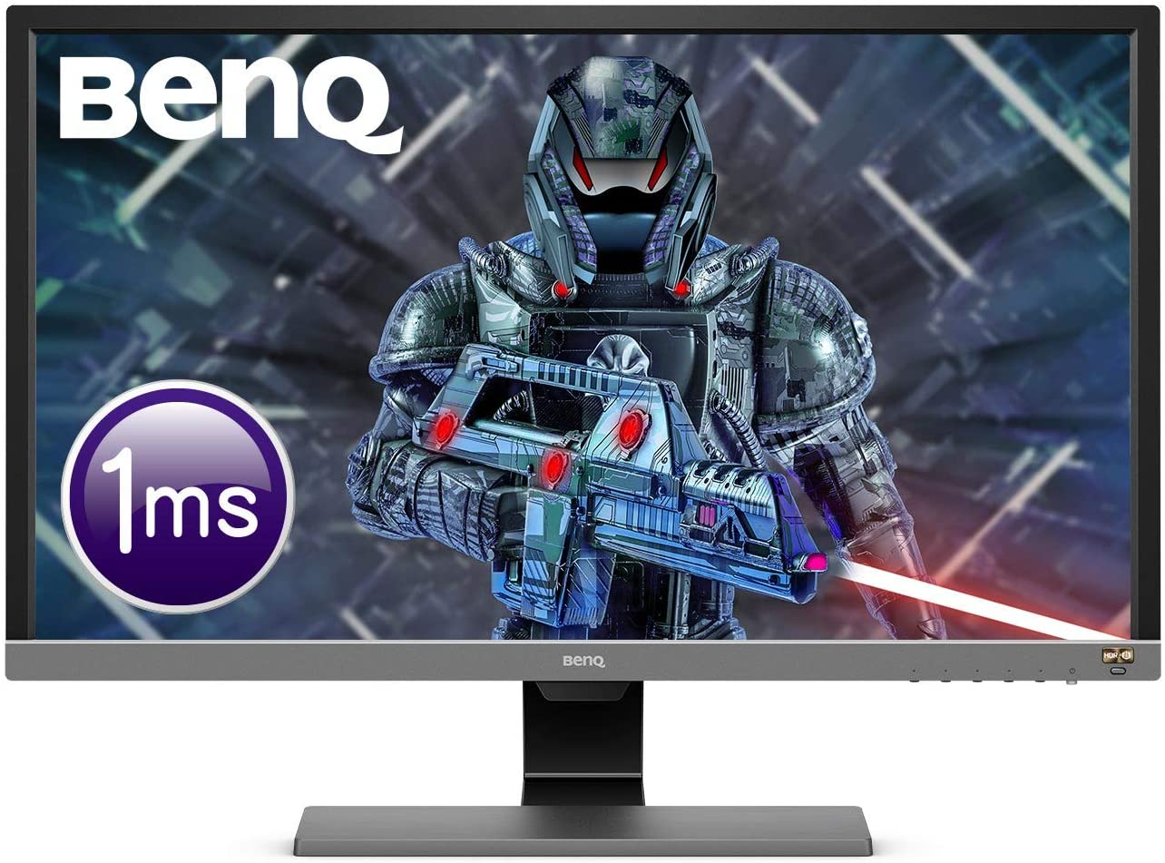
 |  | This 28-inch 4K monitor from BenQ was built specifically with gamers in mind. It has two HDMI ports and a DisplayPort, so you can hook up your gaming PC and game consoles to it at the same time.
 |  | The EL2870U supports HDR (high dynamic range), a video technology that makes colors look more lifelike, and AMD’s FreeSync, which reduces screen tearing and other visual glitches that can distract you while playing.
 |  | Most importantly, it has a 1ms (millisecond) response time, which reduces the amount of lag between what’s going on in the game, and what you’re doing. This level of precision isn’t necessary for everyday tasks, but makes a big difference when you’re playing games.
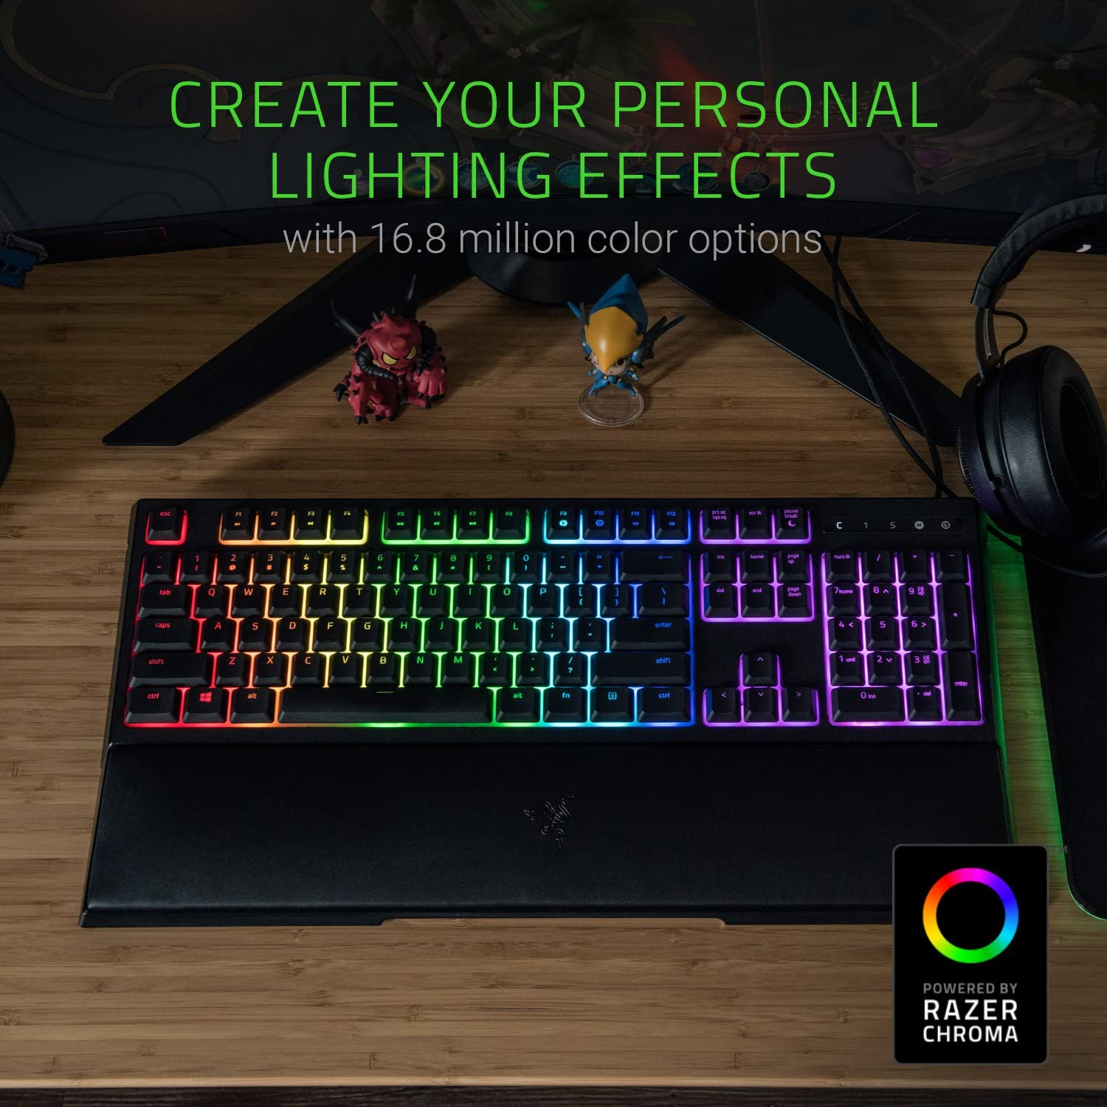
 |  | Finally, the EL2870U uses ambient light sensors to automatically adjust the monitor’s color temperature to make it easy to play games or use your computer at night.
5 | An Full Sized, Backlit Keyboard | Razer’s Ornata Wired Keyboard was designed to help make PC gaming more comfortable, and more fun. | £79.63
 |  | The Ornata has a large, cushioned wrist rest, and mid-height keys with a mecha-membrane that makes them softer to press. Both of these features make the Ornata a lot easier on your hands. The wrist rest is detachable, so you can easily remove it if it’s interfering with your performance.
 |  | Each of the Ornata’s keys are individually lit, and you can program the keyboard’s backlights to one solid color, or a rainbow through Razer’s PC app. The Ornata supports 16.8 million colors, and you can even program the colors to change as you play your game.
6 | An Ergonomic, RGB gaming mouse | Logitech’s G502 is a high performance gaming mouse that perfectly complements an RBG keyboard.
 |  | The wired mouse uses a 25,600DPI (dots per inch) optical sensor to track your movements with pinpoint precision, and uses spring loaded mechanical switches to ensure each click you make is instantly recognized by the game. The G502 has 11 programmable buttons, and allows you to set five different “profiles” or button configurations, so you can switch between different setups for your most-played games. |  | 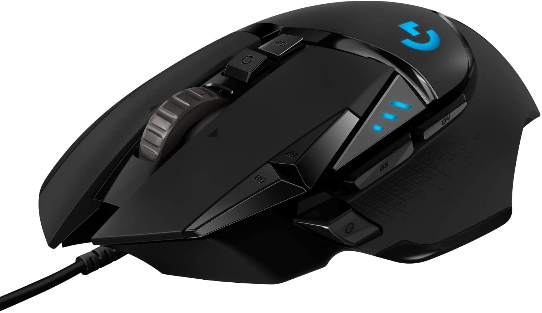 | £40
 |  | Fast paced games require precise mouse movements, which is why Logitech includes five 3.6 gram weights that you can insert into a slot at the bottom of the G502. You can literally change the weight of the mouse to help improve your accuracy. The G502 has a few LEDs on the top and sides, which can be programmed to one of 16.8 million colors, so you’ll be able to match the look of your RGB keyboard.
 |  | Logitech even took great care in designing the outer shell of the G502, which has a thumb rest on the side, so you can hold the mouse more comfortably while reducing resistance. The textured rubber grips on both sides will prevent your hands from slipping.
7 | A Bluetooth Gaming Controller | Most PC gamers swear by using a keyboard and mouse, but if you prefer to play with a controller, you can use Microsoft’s Xbox Core Controller instead. |  | 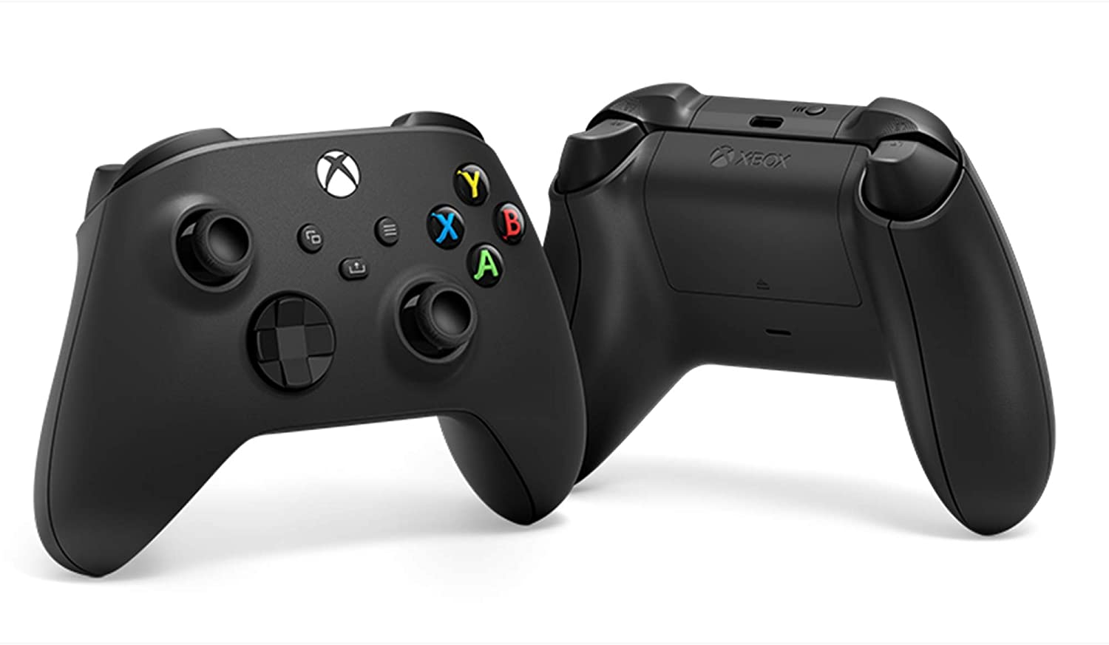 | £50
 |  | The controller has a standard layout with two analog sticks, four face buttons, four triggers, and a directional pad. This setup allows the Core Controller to be used with just about any game. We love the overall performance of Microsoft’s controller, but the directional pad is a little less responsive than we’d like.
 |  | You can pair this controller to your computer wirelessly using Bluetooth, which means you won’t have to worry about losing a USB dongle. It can last up to 30 hours per charge on a pair of rechargeable AAs or a rechargeable battery (sold separately). There are many great Bluetooth gaming controllers out there, but Xbox’s Core Controller offers the best performance and most comfort.
8 | A 1080P Webcam | Your best option right now is AUKEY’s Full HD webcam, which allows you to stream 1080P video with ease. We recommend using a USB microphone for the best sound, but this webcam’s stereo mics will work in a pinch, too. |  | 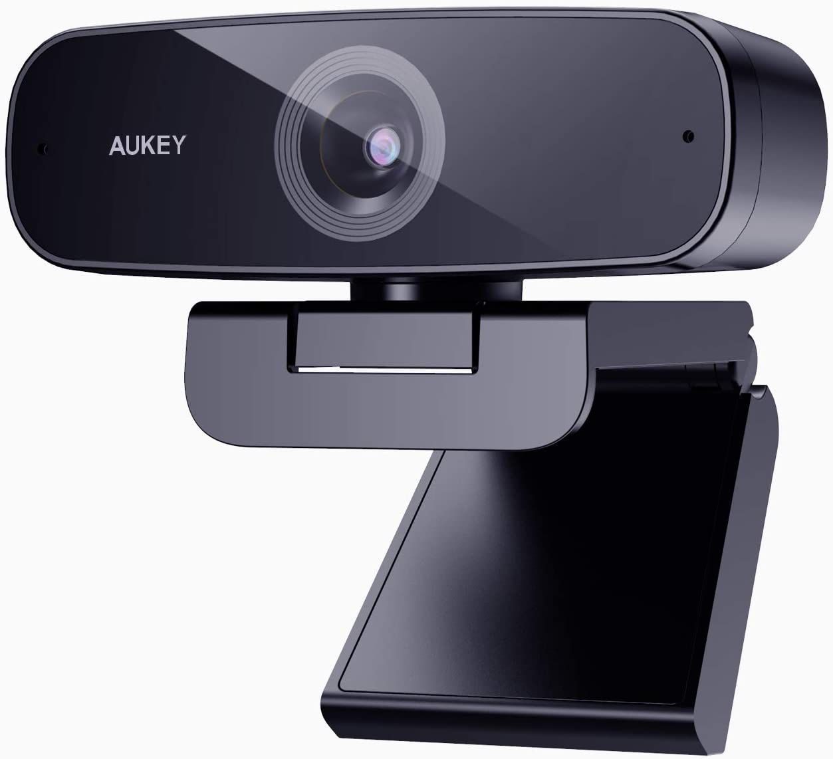 | 34
 |  | This webcam is designed to sit on top of your monitor or laptop lid, and can be tilted up or down, so you can get the right angle. The webcam is compatible with both PCs and Macs, and can be used with any major streaming app. While we’re recommending Aukey’s webcam as a gaming accessory, it can also be used for videoconferencing during remote learning or work.
9 | A set of Fast Mesh Wifi routers | Playing PC games online requires a really strong internet connection. Even a momentary drop in speed can give your competition the advantage. | £116 | 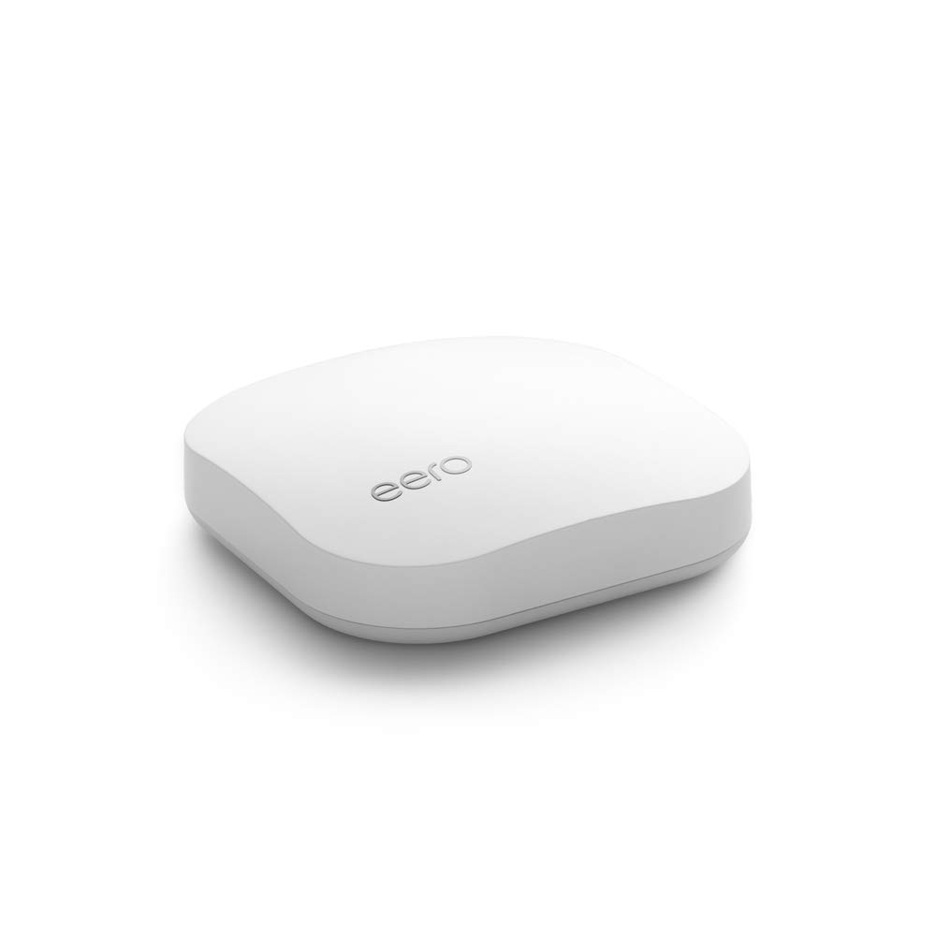
 |  | Ideally you’d have your computer directly connected to your WiFi router via Ethernet, but that might not be possible depending on your living situation, and where wires were placed in your house.
 |  | If you need to rely on WiFi, I recommend getting a set of three eero mesh WiFi routers. One of them has to be connected to your cable modem, but the other two can be placed anywhere in your house.
 |  | The three routers will connect to one another, and create a strong, consistent connection throughout your entire place. This set of eero routers is designed for homes up to 5,000 square feet, but you can add additional routers, or jump up to eero’s Pro line, if you live in a bigger place.
10 | Blue Light Reduction Glasses | One of the dangers of playing games for multiple hours a day is overexposure to blue light, which some scientific reports say can screw up your sleep schedule by tricking your brain into thinking it’s daytime. | £37 | 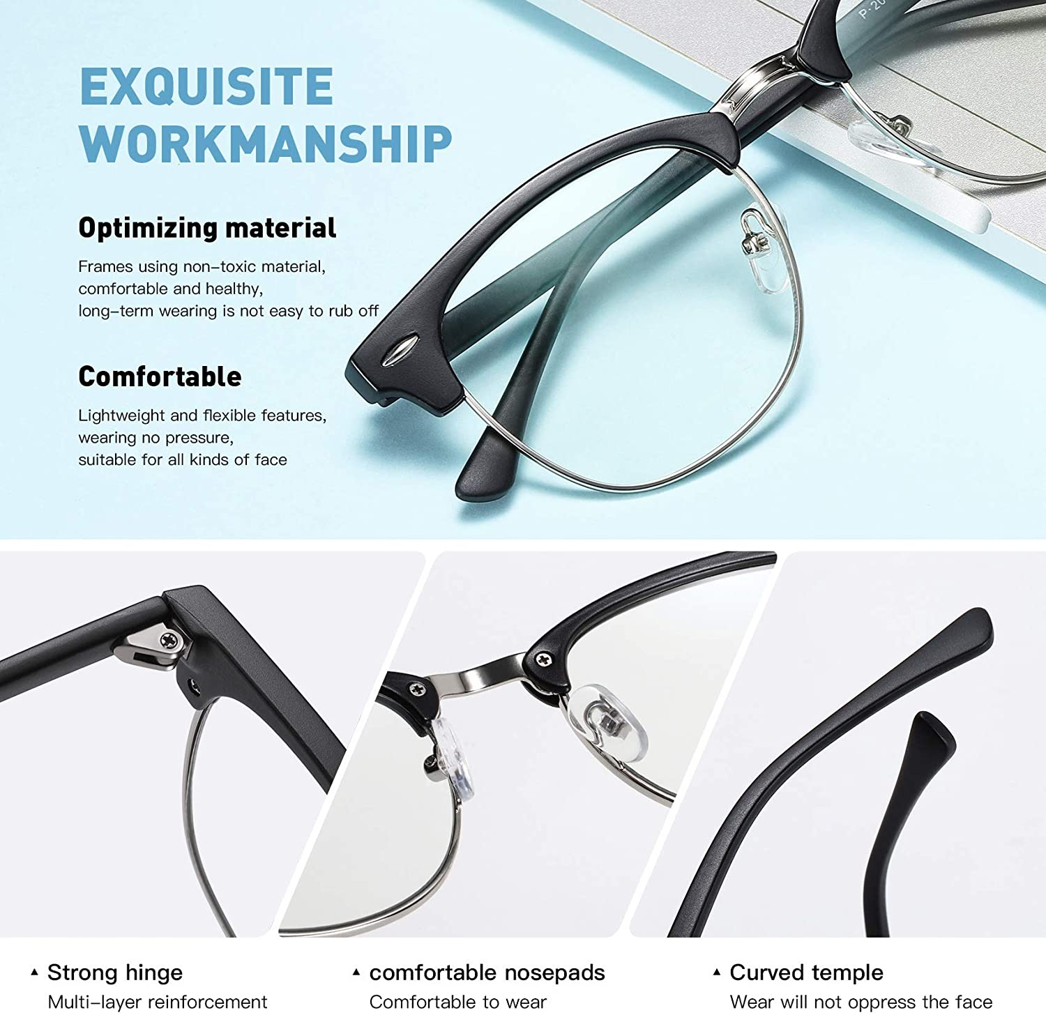
 |  | The best way to reduce your exposure to blue light (besides limiting your screen time) is using a pair of specially designed glasses. This unisex pair from Aomaste features UV protection, and can filter out 90% of blue light before it reaches your eyes by using lenses with a slightly amber tint. Aomaste says the glasses have strong hinges, comfortable nose pads, and a curved temple to ensure they’re comfortable to wear for hours at a time. These materials are non-toxic, too.
 |  | Having tried blue light reduction glasses for ourselves, we highly recommend them to anyone who spends most of their day looking at a screen. We’ve definitely noticed a reduction in eye strain at the end of the day whether we were playing games or not.

